Hoja1
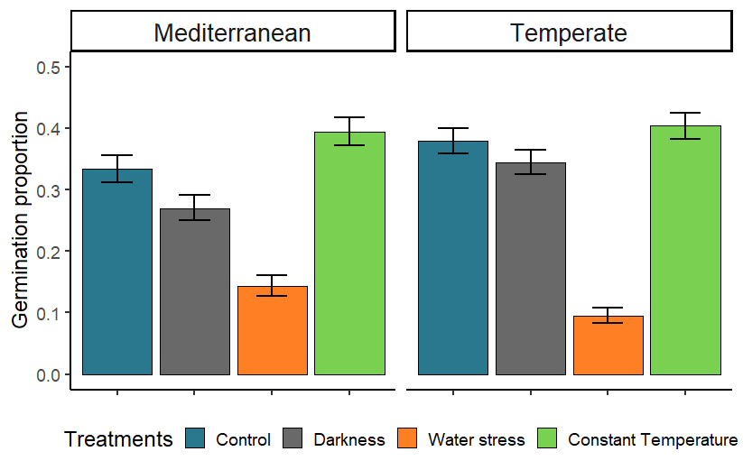
MCMC-GLMM | cbind(finalgerm, viable - finalgerm)~treatment *community | random = ~ animal + ID
 |  | post.mean | l-95% CI | u-95% CI | eff.samp | pMCMC
Control | (Intercept) | -1.832 | -3.681 | -0.151 | 8263 | 0.0307 | *
Darkness | treatmentB_alternate_dark | -0.902 | -1.756 | -0.016 | 9000 | 0.0416 | *
Water stress | treatmentC_alternate_WP | -2.071 | -2.988 | -1.158 | 9000 | <1e-04 | ***
Constant T | treatmentD_constant_light | 0.395 | -0.424 | 1.254 | 9000 | 0.3658
 | communityTemperate | -0.043 | -1.539 | 1.478 | 8602 | 0.9556
 | treatmentB_alternate_dark:communityTemperate | 0.563 | -0.668 | 1.717 | 9000 | 0.3516
 | treatmentC_alternate_WP:communityTemperate | -1.348 | -2.586 | -0.059 | 9000 | 0.0367 | *
 | treatmentD_constant_light:communityTemperate | -0.169 | -1.309 | 0.987 | 8469 | 0.7676

Hoja2
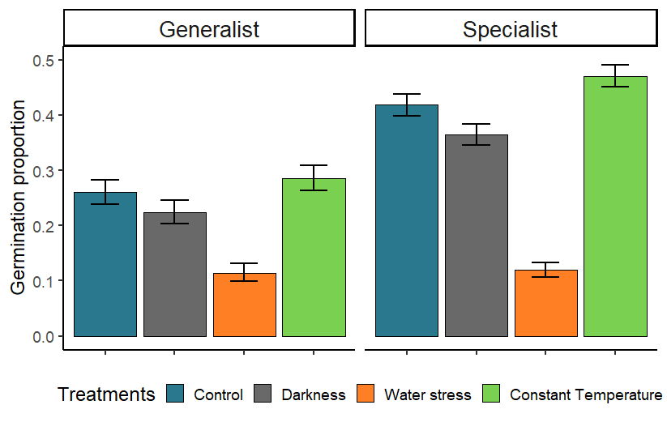
MCMC-GLMM | cbind(finalgerm, viable - finalgerm)~treatment *habitat | random = ~ animal + ID
 |  | post.mean | l-95% CI | u-95% CI | eff.samp | pMCMC
Control | (Intercept) | -2.55392 | -4.50432 | -0.70138 | 9000 | 0.00644 | **
Darkness | treatmentB_alternate_dark | -0.5673 | -1.51402 | 0.33949 | 7746 | 0.22933
Water stress | treatmentC_alternate_WP | -2.07193 | -3.05926 | -1.08546 | 9000 | < 1e-04 | ***
Constant T | treatmentD_constant_light | 0.40784 | -0.52636 | 1.2754 | 9000 | 0.38089
 | habitatSpecialist | 1.2329 | -0.71927 | 3.20885 | 9000 | 0.21533
 | treatmentB_alternate_dark:habitatSpecialist | -0.02705 | -1.16838 | 1.20611 | 9000 | 0.96778
 | treatmentC_alternate_WP:habitatSpecialist | -1.18055 | -2.47381 | 0.11006 | 8482 | 0.07133 | .
 | treatmentD_constant_light:habitatSpecialist | -0.16387 | -1.34777 | 0.97987 | 9000 | 0.77867

Hoja3
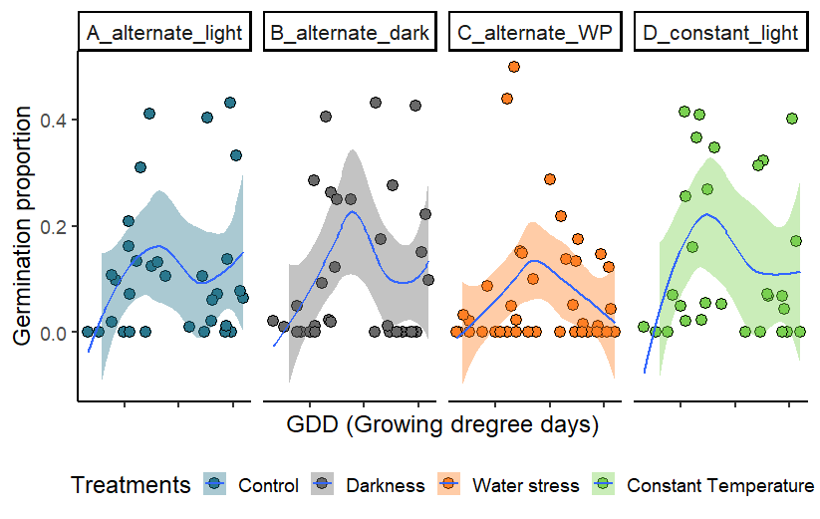
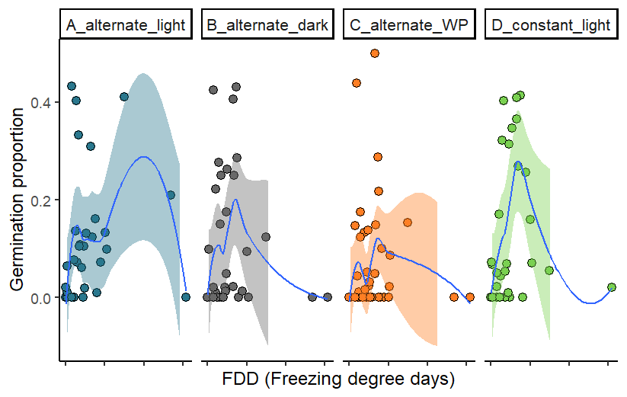
MCMC-GLMM | cbind(finalgerm, viable - finalgerm)~treatment *GDD + treatment * FDD | random = ~ animal + ID
 |  | post.mean | l-95% CI | u-95% CI | eff.samp | pMCMC
Control | (Intercept) | -2.4579697 | -6.5370036 | 1.1732086 | 9000 | 0.205
Darkness | treatmentB_alternate_dark | 1.9069903 | -0.6605417 | 4.5903536 | 9000 | 0.146
Water stress | treatmentC_alternate_WP | -5.8095634 | -8.7667776 | -2.7896303 | 9000 | <1e-04 | ***
Constant T | treatmentD_constant_light | -0.2007456 | -2.5673365 | 2.3157008 | 9000 | 0.88
 | GDD | 0.0003078 | -0.0016343 | 0.0023104 | 9000 | 0.76
 | FDD | 0.0045895 | -0.0372629 | 0.0409611 | 9000 | 0.812
 | treatmentB_alternate_dark:GDD | -0.0011426 | -0.0026062 | 0.0003468 | 9000 | 0.133
 | treatmentC_alternate_WP:GDD | 0.0019927 | 0.000382 | 0.003676 | 9000 | 0.018 | *
 | treatmentD_constant_light:GDD | 0.0001984 | -0.0012009 | 0.0016582 | 9306 | 0.795
 | treatmentB_alternate_dark:FDD | -0.0318963 | -0.0634066 | -0.0026247 | 9000 | 0.034 | *
 | treatmentC_alternate_WP:FDD | 0.0057951 | -0.0243547 | 0.0368681 | 10327 | 0.692
 | treatmentD_constant_light:FDD | 0.0078548 | -0.0151585 | 0.0318074 | 9000 | 0.502

